Sheet1
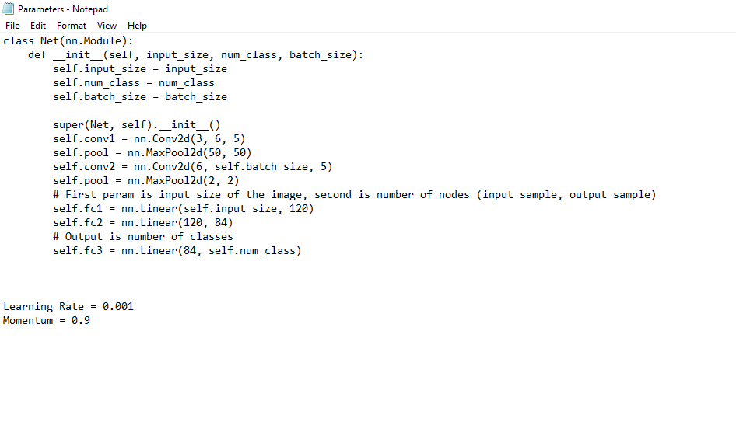
Batch Size | Epochs | Accuracy of Network | Accuracy of none | Accuracy of Enemy
5 | 1 | 85.23% | 91.27% | 79.96%
10 | 1 | 88.84% | 93.37% | 85.25%
16 | 1 | 80.84% | 74.62% | 85.97%
32 | 1 | 82.91% | 86.27% | 80.81%
64 | 1 | 78.61% | 80.41% | 76.04%

Did slightly better overall then the original model on higher batch sizes, but not much
difference for abtch sizes of 5, 10 or 16.

